OVERALL PERFORMANCE
ALFRED NZO DEVELOPMENT AGENCY
ACHIEVED TARGETS VS NOT ACHIEVED BY DEPARTMENT
Unit | Total No. of targets | Achieved | Not Achieved | Achieved% | % Not Achieved
 |  |  |  |  |  |  |  | 2024-2025 | 2025-2026
Programmes | 16 | 14 | 2 | 88% | 13% |  | Programmes | 95% | 88%
Trade & Investment Promotion | 6 | 5 | 1 | 83% | 17% |  | Trade & Investment Promotion | 67% | 83%
Finance and Admin | 17 | 16 | 1 | 94% | 6% |  | Finance and Admin | 94% | 94%
Office of the Chief Executive Officer | 6 | 4 | 2 | 67% | 33% |  | Office of the Chief Executive Officer | 58% | 67%
TOTAL | 45 | 39 | 6 | 87% | 13%

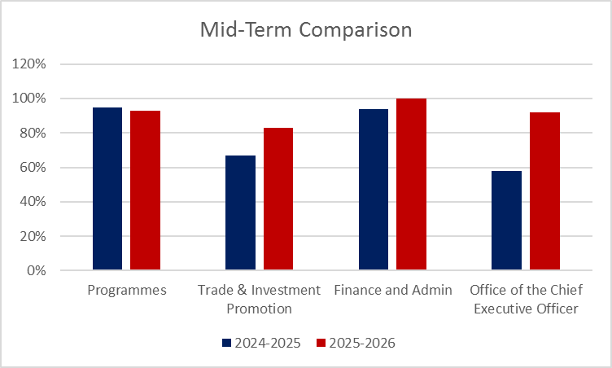
Department | 2024/2025 Mid-term Performance |  |  | 2025/2026 Mid-term Performance |  |  | Improved, Maintained or Declined
 | Total No. of Targets | % Achieved | % Not Achieved | Total No. of targets | % Achieved | % Not Achieved | Outcome
Chief Executive Officer | 12 | 58% | 42% | 12 | 67% | 33% | Improved
Programmes | 38 | 95% | 5% | 16 | 88% | 13% | Declined
Trade and Investment | 12 | 67% | 33% | 6 | 83% | 17% | Improved
Finance and Administration | 49 | 94% | 6% | 17 | 94% | 6% | Improved
Overall Percentage | 111 | 87% | 13% | 51 | 87% | 13% | Improved

